Data
loads | cycles | censor
300 | 5000200 | 0
350 | 5000215 | 0
514 | 126647 | 1
441 | 609606 | 1
378 | 1655278 | 1
350 | 5000199 | 0
378 | 5000196 | 0
408 | 5000191 | 0
441 | 1317151 | 1
408 | 1128458 | 1
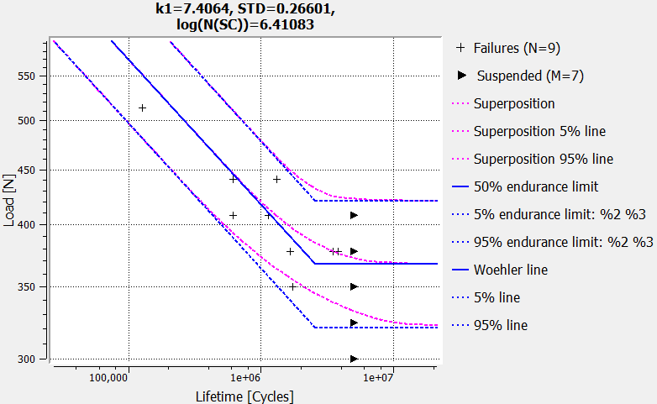
378 | 5000205 | 0
408 | 612549 | 1
378 | 3459283 | 1
378 | 3778766 | 1
350 | 1736330 | 1
324 | 5000196 | 0

